Arkusz1

Nr/No. | ZDJĘCIE / PHOTO | KOD PRODUKTU / PRODUCT CODE | DESCRIPTION | QUANTITY | PRICE (EUR) NET
1 | 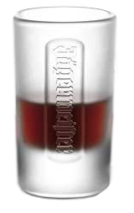 | JAGER55 | Jagermeister glass of 55ml Glass mix transparent /satin. | 42624 | 0.24 €
2 |  | JAGER40 | Jagermeister glass of 40ml Glass mix transparent /satin. | 27040 | 0.24 €
 |  |  |  | 69664

